Example Farm Mud Map
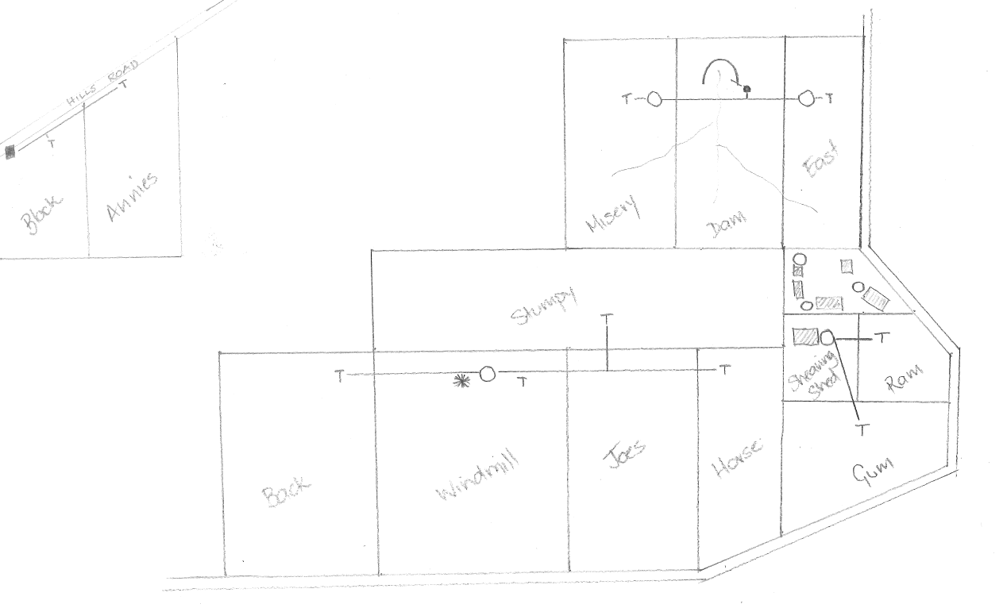
Example Farm "Mud Map" - layout of water infrastructure

